SAP APM Plan
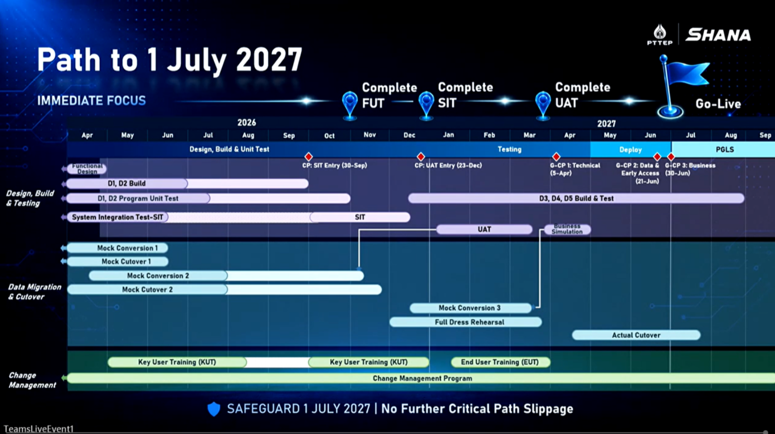
AS OF 27 AUG 2026: SAP Go Live 1 Jul 2027
# | Key Activities & Scope | Status | SAP Plan (approx.) | Mock Readiness | Involved APM Plan (approx.) | Predecessor | Remark
A.Impact Analysis — impact assessment and mapping |  |  |  |  |  |  |  | No required information
1 | Risk, action, issue tracking | In progress | Apr 26 - Sep 2027 |  |  |  | + Monitor all project life cycle
B.Testing Support — for Accenture (ACN) and End Users
2 | CIT | In progress | 23-28 Sep 2026 |  | 23-28 Sep 2026 | FUT | + Depending on cr, currently approved and done cr 15 Sep 2026 | PM-I-109 (APM - SAP) under JIRA SHANA-168749
3 | SIT (mc1) | Not started | 1 Oct - 20 Dec 2026 |  | 15 Oct 2026 (TBC) | CIT (2) | + Waiting for confirmation date from SHANA + Waiting for revised test case from SHANA + Depending on CIT and ACN fixed FD look like
4 | UAT (mc2) | Not started | 4 Jan - 15 Mar 2027 |  | 4 Jan - 15 Mar 2027 (TBC) | SIT (3) | + Wait for confirmation date from SHANA
5 | Business Simulation (mc3) | Not started | 20 Mar - 30 Apr 2027 |  | 20 Mar - 30 Apr 2027 (TBC) | UAT (4) | + Wait for confirmation date from SHANA
C.Mock Validation — align with S/4HANA by switch source appoach
6 | Mock 1 Execution (SIT) | Completed | Apr - Jun 2026 | May-26 | - |  | + Already validated and done
7 | Mock 2 Execution (UAT) | Not started | Apr - Nov 2026 | 21-Sep-26 | 9-Oct-26 |  | + Post load to GCP 21 Sep 2026 + Required another 2 weeks (10 working days) for GCP team to prepares data
8 | Mock 3 Execution/FDR | Not started | Dec 2026 - Mar 2027 | TBC | TBC |  | + Wait for confirmation date from SHANA
D.Cutover & Go-Live — prep and alignment with end users
9 | Ramp Down (ACO) | Not started | 3 May 2027 - 25 Jun 2027
10 | Blackout Period: Deploy APM to Production (DB, BE, FE) | Not started | 26 - 30 Jun 2027 |  |  |  | + SAP Go-Live, 1 Jul 2027
11 | Ramp Up | Not started | 1 Jul - 31 Jul 2027 |  |  |  | + After Go-Live
E.Training & Post Go-Live — hypercare support & monitoring
12 | Hypercare support operations & incident management | Not started | TBC |  |  |  | + Plan: Jul–Sep 2027 (PGLS phase)

Note:
1. on C. Mock Validation, APM will use switch source approach
2. APM requires another 5-10 days after post load because GCP Team needs to preparation data for legacy.

SAP: Revise Plan -> Go Live 1 July

